Project3804
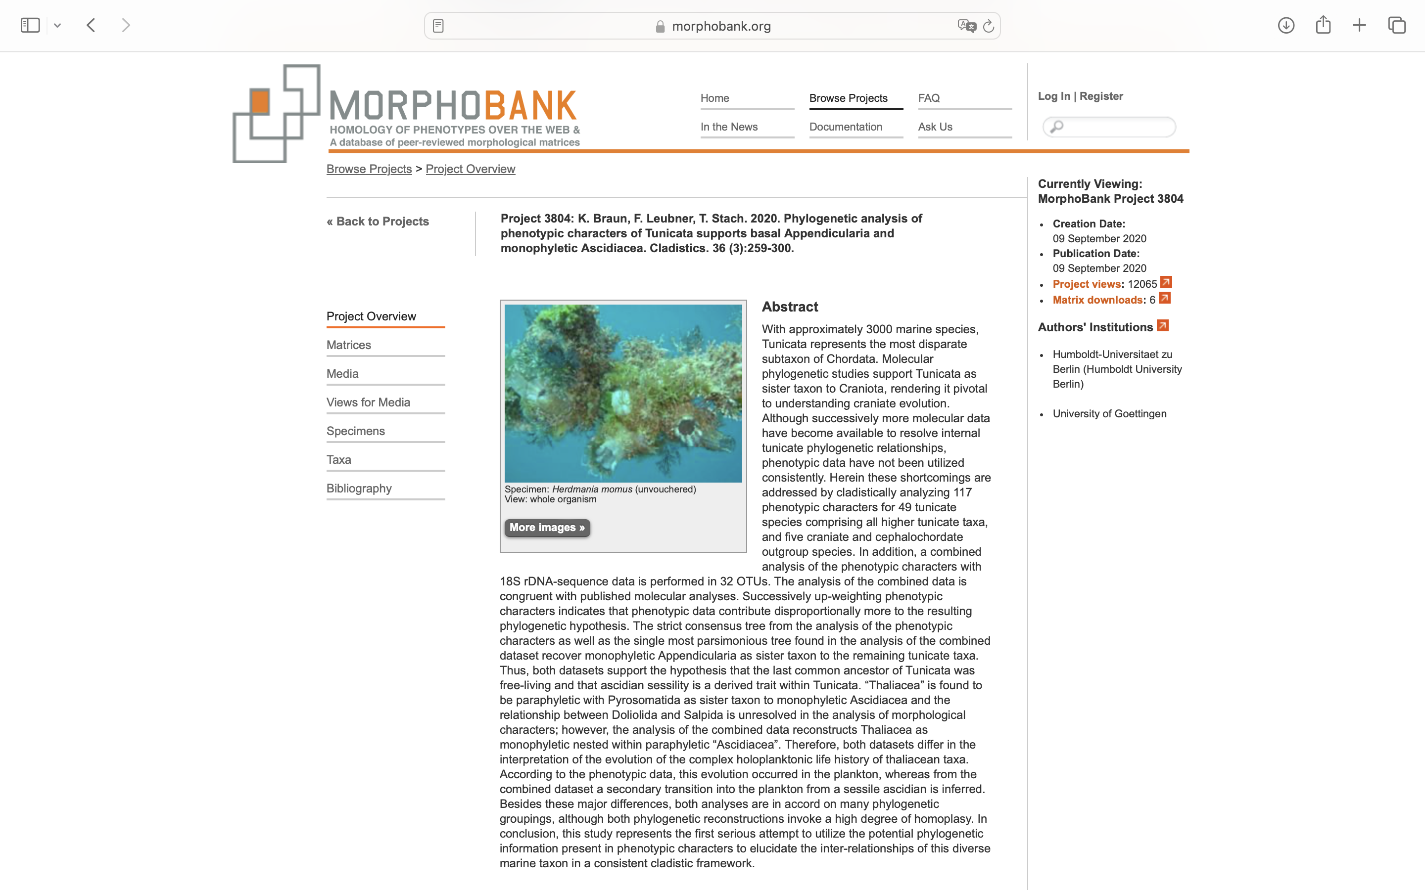
Charlabels | Character Pattern | Unseen States
[1] 'sessile adults' | Neomorphic | NO
[2] 'Undulatory locomotion in adults' | Neomorphic | NO
[3] 'body division' | Neomorphic | NO
[4] 'number of body parts' | Transformational | YES
[5] 'incurrent and excurrent siphon on opposite poles of the animal' | Neomorphic | NO
[6] 'lobed incurrent siphon' | Neomorphic | NO
[7] 'number of lobes at incurrent siphon' | Transformational | YES
[8] 'oral tentacles' | Neomorphic | NO
[9] 'shape of oral tentacles' | Transformational | NO
[10] 'lobed excurrent siphon' | Neomorphic | NO
[11] 'number of lobes at excurrent siphon' | Transformational | YES
[12] 'conspicuous circular muscle bands for locomotion' | Neomorphic | NO
[13] 'shape of circular muscle bands' | Transformational | NO
[14] 'tunic' | Neomorphic | NO
[15] 'shape of tunic' | Transformational | YES
[16] 'calcareous spicules in tunic' | Neomorphic | NO
[17] 'tunic protrusions' | Neomorphic | NO
[18] 'vanadium' | Neomorphic | NO
[19] 'epicardium' | Neomorphic | NO
[20] 'shape of epicardium in adult' | Transformational | YES
[21] 'heart beat reversal' | Neomorphic | NO
[22] 'endocarp' | Neomorphic | NO
[23] 'light organs' | Neomorphic | NO
[24] 'notochord in adults' | Neomorphic | NO
[25] 'length of notochord' | Transformational | NO
[26] 'colonial' | Neomorphic | NO
[27] 'sexually mature colonial form:' | Neomorphic | NO
[28] 'connection of zooids within colonies' | Transformational | YES
[29] 'metagenesis' | Neomorphic | NO
[30] 'polymorphic generations' | Neomorphic | NO
[31] 'type of budding' | Transformational | YES
[32] 'type of epicardial budding' | Transformational | YES
[33] 'type of strobilation' | Transformational | YES
[34] 'type of mesenchymatic budding' | Transformational | YES
[35] 'shape of branchial basket wall' | Transformational | NO
[36] 'arrangement of stigmata in one side of the body' | Transformational | YES
[37] 'shape of stigmata' | Transformational | YES
[38] 'orientation of stigmata in adults' | Transformational | YES
[39] 'parastigmatic blood vessels' | Neomorphic | NO
[40] 'longitudinal blood vessels' | Neomorphic | NO
[41] 'internal longitudinal vessel on papillae' | Neomorphic | NO
[42] 'ciliated longitudinal vessels' | Neomorphic | NO
[43] 'arrangement of cilia' | Transformational | YES
[44] 'branchial basket with papillae' | Neomorphic | NO
[45] 'papillae at intersections of transverse and longitudinal vessels' | Neomorphic | NO
[46] 'junctions of longitudinal and transverse vessels with cilia' | Neomorphic | NO
[47] 'dorsal organ' | Neomorphic | NO
[48] 'dorsal organ with languets' | Neomorphic | NO
[49] 'number of languet equals number of transverse vessels' | Neomorphic | NO
[50] 'dorsal organ with membrane' | Neomorphic | NO
[51] 'dorsal organ smooth edged or plain' | Neomorphic | NO
[52] 'dorsal organ with multiple tranverse ciliary bands' | Neomorphic | NO
[53] 'dorsal organ as ciliated groove' | Neomorphic | NO
[54] 'shape of peripharyngeal band' | Transformational | YES
[55] 'peripharyngeal band with conspicuous dorsal curvature' | Neomorphic | NO
[56] 'papillae in prebranchial area' | Neomorphic | NO
[57] 'excretory structure' | Neomorphic | NO
[58] 'type of excretory structure' | Transformational | YES
[59] 'stomach folded or plicated' | Neomorphic | NO
[60] 'hepatic gland' | Neomorphic | NO
[61] 'stomach caecum' | Neomorphic | NO
[62] 'pyloric gland' | Neomorphic | NO
[63] 'shape of gastrointestinal tract' | Transformational | YES
[64] 'position of gastrointestinal tract in relation to branchial basket' | Transformational | YES
[65] 'position of lateral gastrointestinal tract' | Transformational | NO
[66] 'position of rectum in mostly posterior gastrointestinal tracts' | Transformational | YES
[67] 'atrial cavity' | Neomorphic | NO
[68] 'origin of atrial cavity' | Transformational | YES
[69] 'shape of ontogentetic rudiment of atrial opening' | Transformational | NO
[70] 'position of unpaired rudiment of atrial opening' | Transformational | YES
[71] 'hermaphroditism' | Neomorphic | NO
[72] 'type (position) of gonads' | Transformational | YES
[73] 'position of gonads in relation to branchial basket' | Transformational | YES
[74] 'occurrence of gonads' | Transformational | NO
[75] 'site of fertilization' | Transformational | NO
[76] 'site of brooding' | Transformational | YES
[77] 'site of brood chamber' | Transformational | YES
[78] 'location of atrial brood chamber' | Transformational | YES
[79] 'chordate type larva' | Neomorphic | NO
[80] 'orientation of larval tail in relation to larval trunk' | Transformational | YES
[81] 'larval eye' | Neomorphic | NO
[82] 'larval statocyte' | Neomorphic | NO
[83] 'larval photolith' | Neomorphic | NO
[84] 'larval ampullae' | Neomorphic | NO
[85] 'larval adhesive papillae (more than one)' | Neomorphic | NO
[86] 'orientation of larval papillae' | Transformational | YES
[87] 'serotonin-lir in the brain of adult specimens' | Neomorphic | NO
[88] 'serotonin-lir in the peripharyngeal bands' | Neomorphic | NO
[89] 'serotonin-lir in the endostyle' | Neomorphic | NO
[90] 'serotonin-lir in the retropharyngeal band' | Neomorphic | NO
[91] 'serotonin-lir in the esophagus' | Neomorphic | NO
[92] 'serotonin-lir in the gastrointestinal tract' | Neomorphic | NO
[93] 'adult with cerebral eye(s)' | Neomorphic | NO
[94] 'type of photoreceptor cells in adult cerebral eyes' | Transformational | YES
[95] 'adult cerebral eye with lens' | Neomorphic | NO
[96] 'shape of adult brain' | Transformational | YES
[97] 'brain divided into cortex and neuropil' | Neomorphic | NO
[98] 'neural gland' | Neomorphic | NO
[99] 'position of neural gland compared to brain' | Transformational | NO
[100] 'position of not ventral neural gland' | Transformational | YES
[101] 'dorsal tubercle' | Neomorphic | NO
[102] 'shape of dorsal tubercle' | Transformational | YES
[103] 'opening of dorsal tubercle pedestal-like elevated' | Neomorphic | NO
[104] 'dorsal strand' | Neomorphic | NO
[105] 'dorsal strand ends in close proximity to brain' | Neomorphic | NO
[106] 'caudal ganglion in adults' | Neomorphic | NO
[107] 'ventral visceral nerve' | Neomorphic | NO
[108] 'number of ventral visceral nerves' | Transformational | YES
[109] 'dorsal strand plexus' | Neomorphic | NO
[110] 'brain appendages' | Neomorphic | NO
[111] 'number anterior nerves per side' | Transformational | YES
[112] 'number posterior nerves per side' | Transformational | YES
[113] 'lateral nerves' | Neomorphic | NO
[114] 'number of lateral nerves per side' | Transformational | NO
[115] 'unpaired anterior nerve projecting toward dorsal tubercle' | Neomorphic | NO
[116] 'statocyte in adult' | Neomorphic | NO
[117] 'conspicuous lateral fiber tracts in adult brains' | Neomorphic | NO

